How to fill form
How to fill SAP GUI Request/Change form |  |  | 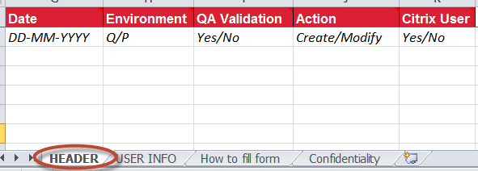

This form can be used to request the creation or modification of one or more GUI users. To ensure accuracy and reduce the possible risk of human error, the Excel copy should be included with the PDF so ADP can copy and paste the details and therefore not have to manually transcribe the details. The PDF version of the SAP GUI User Change form is for formal approval and audit purposes. User credentials will be sent directly to users email (User ID and password are sent in two separate emails), unless otherwise requested.

HEADER - Requester details
 | Client Name: | Full Company Name
 | Requested By: | Client user requesting access
 | Telephone: | Contact phone number for the requester
 | E-mail Address: | E-mail address of requester
 | Authorized By: | Full name of the client manager approving the access request.
 |  | In general, any CRM manager can approve user access except for themselves. Additional approval may be necessary when an approver is requesting changes to their own access. Authorized Client Approvers can approve requests as follows:
 |  | - | Change status of CRM ticket (Example: Change “Waiting for Approval” to “Approved by Customer” or “Solution Approved”)
 |  | - | Add a Client Note in the CRM ticket;
 |  | - | Attach email from valid approver to the CRM ticket.
 | Approval Date: | Date request was approved. Format YYYYMMDD
 | QA Validation: | Enter X when access is to be validated in QA and approved by the client before user ID is created in Production system.
 | Signature: | Valid only for clients requiring a hard copy of signature for audit purposes.

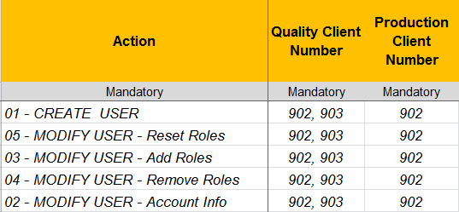
USER INFO - User Information and Security Role Allocation
 | Action: | Select action to be performed; Add lines for each required additional action:
 |  | 01 | CREATE USER: create new user
 |  | 02 | MODIFY USER - ACCOUNT INFO: change users account information (Example - Users Name, E-Mail Address, Main Country Location, assign additional Query User Group)
 |  | 03 | MODIFY USER - ADD ROLES: add role or roles to user
 |  | 04 | MODIFY USER - REMOVE ROLES: remove role or roles from user
 |  | 05 | MODIFY USER - RESET ROLES: remove all current role assignments and assign only roles listed, or roles as per reference user (Copy roles from user)
 | Quality Client Number: | Please list all client numbers if access to more than one Quality system is required. (Example - 902, 903).
 | Production Client Number: | Enter client number.
 | GV User ID: | User IDs must be at least 3 characters long up to 12 characters.
 |  | Naming convention for client users in ADP GlobalView Payroll systems is determined by the client. Default naming convention (First Initial, Last Name) will be used when user ID has not been provided by the client. To reduce potential errors and confusion, requests for user IDs in Collaboration (XXXnnnnnnn) or ADP GlobalView Associate name space (GVxxnnnn) will not be accepted. |  | 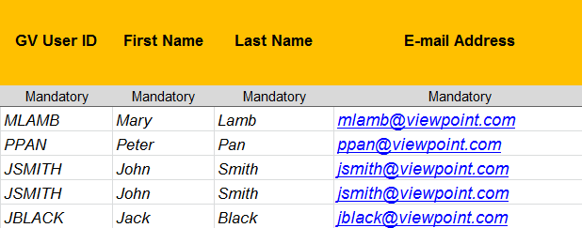
 | First Name: | Users first name
 | Last Name: | Users last name
 | E-mail Address: | User’s E-mail Address
 | E-mail Address: | If e-mail address is not included or a generic email address provided, GUIUSER will NOT be limited to change own data where Practitioner Authorizations Control (PAC) is active.
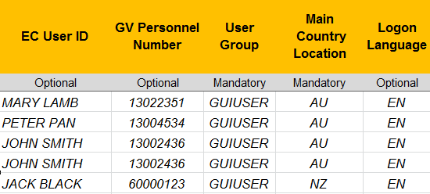
 | EC User ID | Employee Central ID is required for Success Factors only. (External contractor mash up setup)
 | GV Personnel Number: | For Employees, please include GlobalView Personnel Number.
 | User Group: | Select User Group:
 |  | - | GUIUSER - Client User ID who logons to ADP GlobalView via SAP GUI
 |  | - | GUITRAIN - generic User ID used for training; valid in Quality system only
 |  | - | GUITEST - Copy of GUIUSER, used for troubleshooting issues or testing new roles or modification of roles.
 | Main Country Location: | Users physical location.
 |  | Determines the location of the user on the GUI User Report. Also defines the default Query User Group user will be assigned to. Please note - this field does not indicate or clarify what countries a user has access to (ISO Country Code).
 | Logon Language: | User's Logon Language. Default is English (EN)
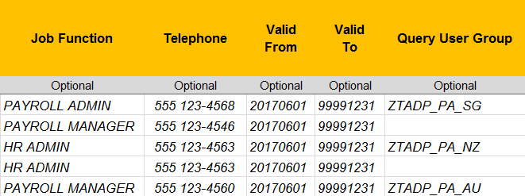
 | Job Function: | Defined by client. Position of the user within the company. Example - PAYROLL ADMIN, HR BUSINESS PARTNER.
 | Telephone: | Telephone number is required if password is to be communicated directly to the user via phone.
 | Valid From: | Date user is permitted to begin using GlobalView. Leave blank if user is to be valid immediately. Format YYYYMMDD
 | Valid To: | Last date user can be used to log onto GlobalView. Leave blank is user is to be valid indefinitely. Format YYYYMMDD
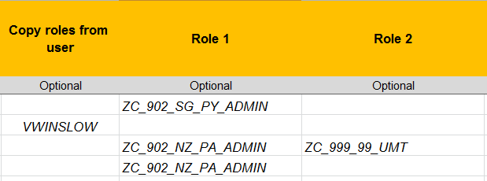
 | Query User Group: | User ID must be assigned to at least one Query User Group to be able to run Ad-hoc Query. By default, user will be assigned to query user group according to the Main Country Location. Please specify if user needs to be assigned to additional Query User Groups.
 | Copy roles from user: | Enter an existing user that can be used as a reference to determine role assignments.
 |  | This functionalty will copy all active roles assigned to the reference user. If new user is not to be assigned all roles of the reference user, please leave this field blank and specify all roles to be assigned on Role 1,2, etc
 | Role 1, Role 2 etc: | Enter roles to be assigned to the user.
 |  | Role assignments for GUI Users can be displayed using the GUI User Report:
 |  | - | Transaction ZTADP_M99_GUI_CURACS
 |  | - | Enter user ID in the User field > Execute
 |  | - | On the following screen, review column Role Assignation.
 |  | - | Include direct role assignments only (Role Assignation = D).

